Sheet6
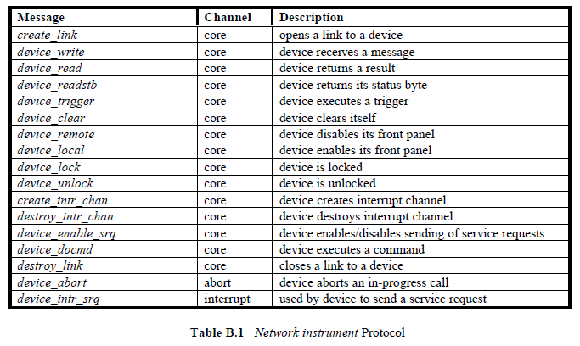

Message | Channel | Description
create_link | core | opens a link to a device
device_write | core | device receives a message
device_read | core | device returns a result
device_readstb | core | device returns its status byte
device_trigger | core | device executes a trigger
device_clear | core | device clears itself
device_remote | core | device disables its front panel
device_local | core | device enables its front panel
device_lock | core | device is locked
device_unlock | core | device is unlocked
create_intr_chan | core | device creates interrupt channel
destroy_intr_chan | core | device destroys interrupt channel
device_enable_srq | core | device enables/disables sending of service requests
device_docmd | core | device executes a command
destroy_link | core | closes a link to a device
device_abort | abort | device aborts an in-progress call
device_intr_srq | interrupt | used by device to send a service request

Table B.1 Network instrument Protocol

VXI-11.pdf

